General Instructions

GENERAL INFORMATION
edited: 12/12/2022

1) Log into myconneCT
2) Select File now for the period you would like to file for

3) Enter Schedule 1 via upload or manually keying data
- file layout for import found on "Schedule 1import" tab in this spreadsheet
to data enter- click + Add a vehicle
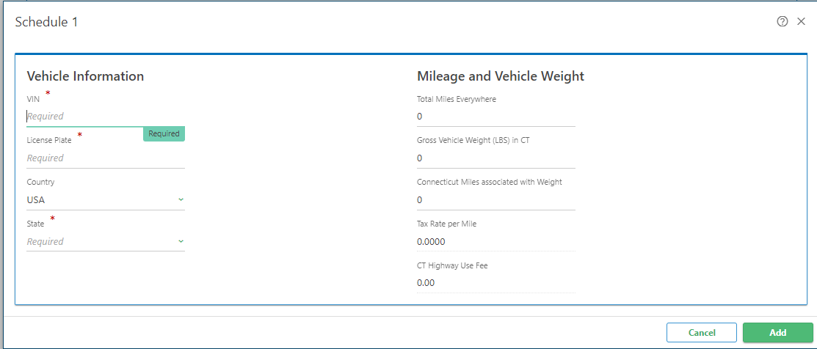

4) resolve all errors- Possible errors seen on layout requirements as well as "errors" tab
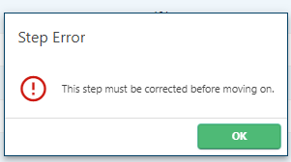

5) Review return and amount due
6) Select payment option
a- ACH Debit/Direct payment- pay with return using electronic withdraw
b- Credit Card- subject to a convenience fee
c- pay outside this filing using ACH credit
6) sign return and submit
7) receive confirmation of receipt
8) submissions are viewable under "more" and search submissions

Errors
Potential Errors seen in myconneCT
Cell | Potential error
Vehicle Identification Number (VIN) | Missing or invalid numeric value for Total Connecticut Miles on row xx
License Plate Number | Missing or invalid value entered
Country | Missing or invalid value entered
State | Missing or invalid value entered
Total Miles Everywhere | Missing or invalid value entered
Gross Vehicle Weight | Missing or invalid value entered
Total CT Taxable Miles | Missing or invalid value entered
Total CT Taxable Miles | Invalid Amount, must be equal to or less than total miles traveled (Ending odometer less beginning odometer reading)
Too many fields | ensure no commas are used. Each row must be 8 fields

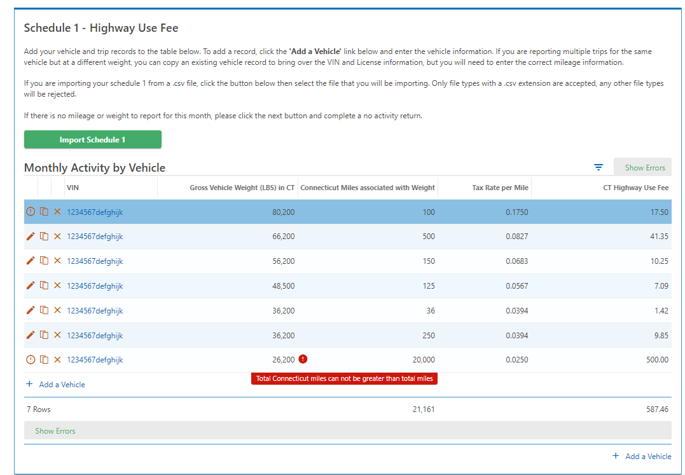

Error sign. text in red informs user of error message

Error sign. click here for what is missing or incorrect

Toggle Button- Shows all records, or just error rows

