Cover
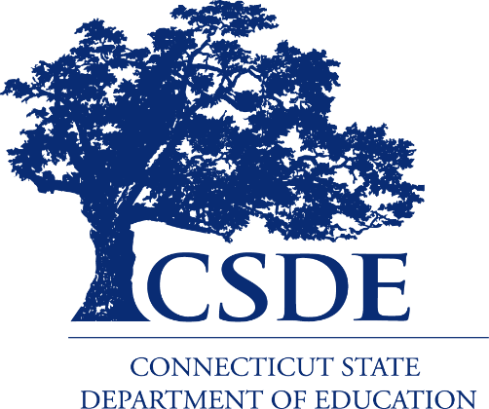

Data Acquisition Plan

2019-20

 | Updated 11/5/18

Foreword
Foreword
The Connecticut State Department of Education (CSDE) collects data about students, staff, schools, programs, districts, and fiscal resources from local educational agencies and other service providers. These data help the CSDE to meet federal and state compliance and other reporting requirements, distribute funding, guide policy, inform accountability, facilitate research, and report information to the public with the ultimate goal of improving educational outcomes for all students.
This Data Acquisition Plan summarizes the data system and forms used to collect these data. It is designed largely to help local school districts prepare for state data collections during the school year. To that end, this year’s plan is available as a spreadsheet on the next tab.
We welcome your feedback on additional ways the CSDE can streamline its work and increase efficiencies. Please do not hesitate to contact Ajit Gopalakrishnan, Chief Performance Officer at ajit.gopalakrishnan@ct.gov.
Thank you for your continued commitment to this important endeavor.
Dr. Dianna R. Wentzell
Commissioner of Education

